Supplementary Figure S1
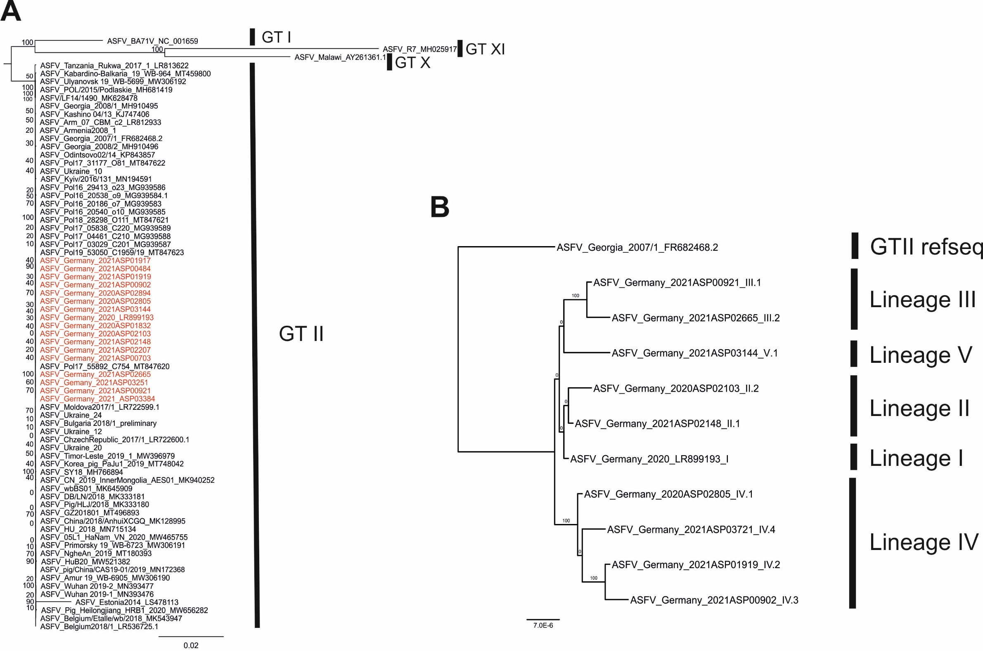

The phylogenetic trees were constructed using IQ-TREE version 1.6.5 on MAFFT v7.450 aligned ASFV whole-genome sequences. Additional ASFV WGS were downloaded from INSDC (status 13.08.2021). Representative sequences of German variants are highlighted in red (A). Standard model selection was used, resulting in the best-fit model GTR+F+R4 (general time reversible model with unequal rates and unequal base frequency + empirical base frequencies + FreeRate model with 4 categories). Statistical support of 10,000 ultrafast bootstraps using the ultrafast bootstrap approximation (UFBoot) (percentage values) is indicated at the nodes. Taxon names include, where available, ASFV designation and INSDC accession number. The scale bar represents number of substitutions per site.

